FlowChart
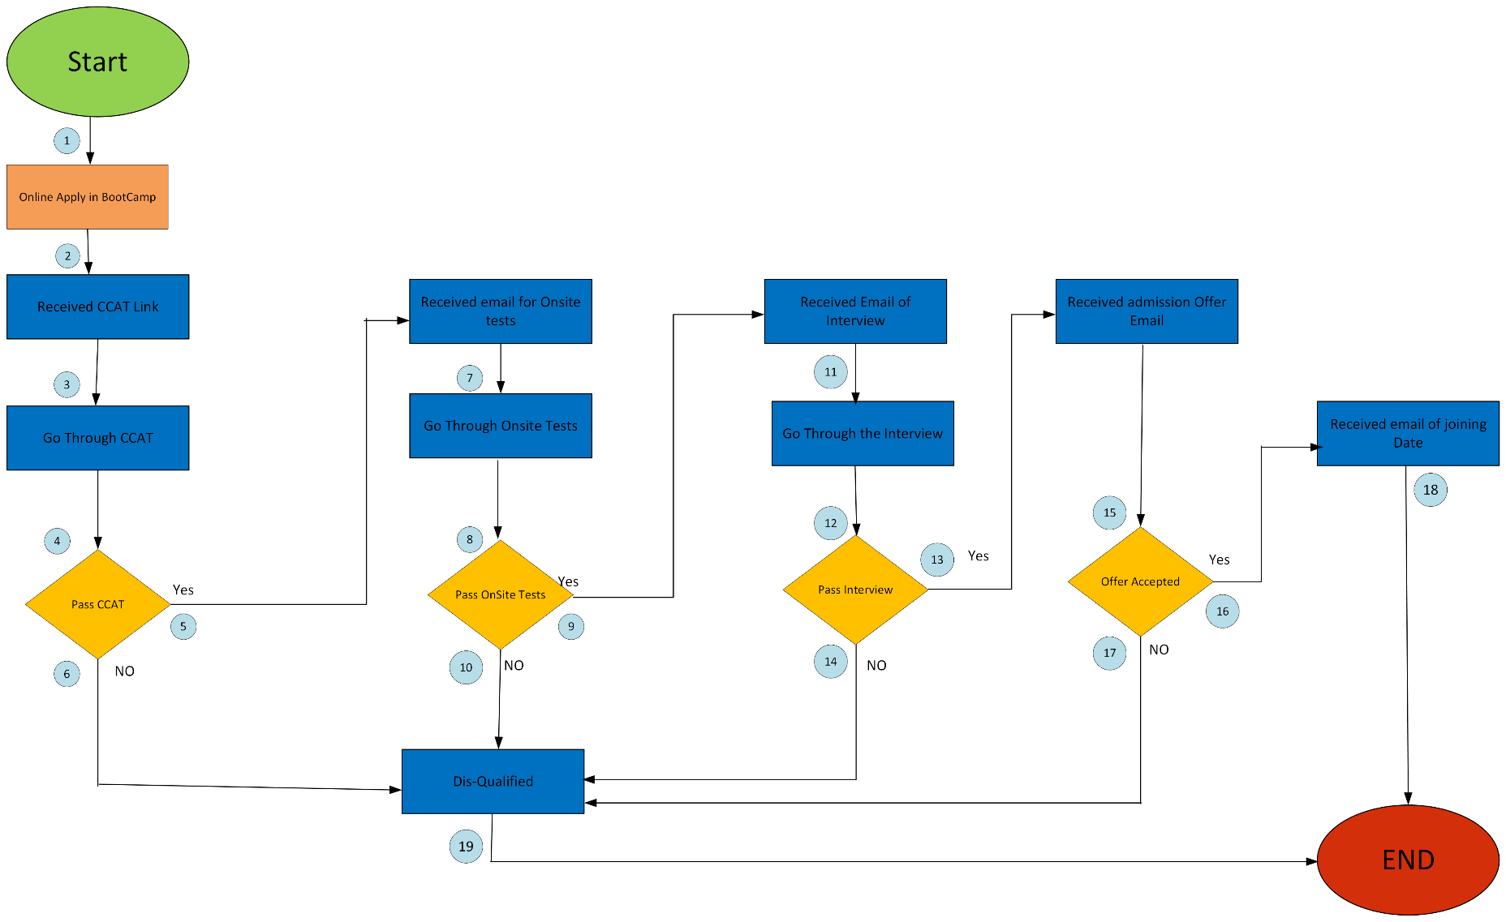
Problem: Draw a flowchart for Hiring Process in a company
Solution: Both the company and the applicant have different flows for the hiring process. In the flowchart, I have chosen the applicant's process and simplified it by making assumptions.For example, during the onsite test, I did not mention the need for students to re-enter their credentials, as these variables have already been discussed during the online application in the boot camp."
FlowChart for CureMD BootCamp Hiring Process

